Visual
Main Airline
Competitive Airline
 | Alaska Airlines Inc. | Allegiant Air | American Airlines Inc. | Delta Air Lines Inc. | Endeavor Air Inc. | Envoy Air | ExpressJet Airlines Inc. | Frontier Airlines Inc. | Hawaiian Airlines Inc. | JetBlue Airways | Mesa Airlines Inc. | PSA Airlines Inc. | Republic Airline | SkyWest Airlines Inc. | Southwest Airlines Co. | Spirit Airlines | United Airlines Inc.
Alaska Airlines Inc.
Allegiant Air
American Airlines Inc.
Delta Air Lines Inc.
Endeavor Air Inc.
Envoy Air
ExpressJet Airlines Inc.
Frontier Airlines Inc.
Hawaiian Airlines Inc.
JetBlue Airways
Mesa Airlines Inc.
PSA Airlines Inc.
Republic Airline
SkyWest Airlines Inc.
Southwest Airlines Co.
Spirit Airlines
United Airlines Inc.

Prob_Data
Airlines | Mean | Std.Deviation | Total_Delays | Total_flights | Main_Airline | Comparitive_Airline | p-value | Better | Better_num
Endeavor Air Inc. | 0.22 | 0.09 | 14613 | 64943 | Endeavor Air Inc. | American Airlines Inc. | 3.73E-16 | Yes | 1 | Data from August to October, 2019 - All US flights
American Airlines Inc. | 0.35 | 0.08 | 82554 | 237718 | Endeavor Air Inc. | Alaska Airlines Inc. | 1.75E-13 | Yes | 1 | Airlines | Total Flights | Total Delays | Delays Percentage
Alaska Airlines Inc. | 0.32 | 0.07 | 22198 | 68193 | Endeavor Air Inc. | JetBlue Airways | 6.14E-13 | Yes | 1 | Southwest Airlines Co. | 337,540 | 138,945 | 41%
JetBlue Airways | 0.35 | 0.13 | 26258 | 73721 | Endeavor Air Inc. | Delta Air Lines Inc. | 9.03E-07 | Yes | 1 | Frontier Airlines Inc. | 36,766 | 13,479 | 37%
Delta Air Lines Inc. | 0.28 | 0.08 | 73040 | 258721 | Endeavor Air Inc. | ExpressJet Airlines Inc. | 8.73E-07 | Yes | 1 | JetBlue Airways | 73,721 | 26,258 | 36%
ExpressJet Airlines Inc. | 0.3 | 0.12 | 9612 | 31910 | Endeavor Air Inc. | Frontier Airlines Inc. | 1.88E-16 | Yes | 1 | American Airlines Inc. | 237,718 | 82,554 | 35%
Frontier Airlines Inc. | 0.37 | 0.11 | 13479 | 36766 | Endeavor Air Inc. | Allegiant Air | 0.001555378698 | Yes | 1 | Alaska Airlines Inc. | 68,193 | 22,198 | 33%
Allegiant Air | 0.26 | 0.1 | 6410 | 22137 | Endeavor Air Inc. | Hawaiian Airlines Inc. | 1.14E-06 | Yes | 1 | Spirit Air Lines | 51,124 | 15,909 | 31%
Hawaiian Airlines Inc. | 0.29 | 0.11 | 6166 | 21317 | Endeavor Air Inc. | Envoy Air | 5.35E-05 | Yes | 1 | United Air Lines Inc. | 161,919 | 50,269 | 31%
Envoy Air | 0.27 | 0.09 | 22767 | 83142 | Endeavor Air Inc. | Spirit Air Lines | 1.04E-08 | Yes | 1 | PSA Airlines Inc. | 72,039 | 21,869 | 30%
Spirit Air Lines | 0.31 | 0.11 | 15909 | 51124 | Endeavor Air Inc. | PSA Airlines Inc. | 1.74E-08 | Yes | 1 | ExpressJet Airlines Inc. | 31,910 | 9,612 | 30%
PSA Airlines Inc. | 0.3 | 0.1 | 21869 | 72039 | Endeavor Air Inc. | SkyWest Airlines Inc. | 0.0005686310935 | Yes | 1 | Mesa Airlines Inc. | 57,341 | 16,688 | 29%
SkyWest Airlines Inc. | 0.25 | 0.06 | 53620 | 212555 | Endeavor Air Inc. | United Air Lines Inc. | 4.16E-10 | Yes | 1 | Allegiant Air | 22,137 | 6,410 | 29%
United Air Lines Inc. | 0.31 | 0.09 | 50269 | 161919 | Endeavor Air Inc. | Southwest Airlines Co. | 1.80E-23 | Yes | 1 | Hawaiian Airlines Inc. | 21,317 | 6,166 | 29%
Southwest Airlines Co. | 0.41 | 0.09 | 138945 | 337540 | Endeavor Air Inc. | Mesa Airlines Inc. | 9.54E-07 | Yes | 1 | Delta Air Lines Inc. | 258,721 | 73,040 | 28%
Mesa Airlines Inc. | 0.29 | 0.11 | 16688 | 57341 | Endeavor Air Inc. | Republic Airline | 0.2644147743 | No | 0 | Envoy Air | 83,142 | 22,767 | 27%
Republic Airline | 0.23 | 0.1 | 19446 | 83991 | American Airlines Inc. | Endeavor Air Inc. | 1 | No | 0 | SkyWest Airlines Inc. | 212,555 | 53,620 | 25%
 |  |  |  |  | American Airlines Inc. | Alaska Airlines Inc. | 0.96925829386 | No | 0 | Republic Airline | 83,991 | 19,446 | 23%
 |  |  |  |  | American Airlines Inc. | JetBlue Airways | 0.66051338315 | No | 0 | Endeavor Air Inc. | 64,943 | 14,613 | 23%
 |  |  |  |  | American Airlines Inc. | Delta Air Lines Inc. | 0.99999995922 | No | 0
 |  |  |  |  | American Airlines Inc. | ExpressJet Airlines Inc. | 0.99982508043 | No | 0
 |  |  |  |  | American Airlines Inc. | Frontier Airlines Inc. | 0.18747250251 | No | 0
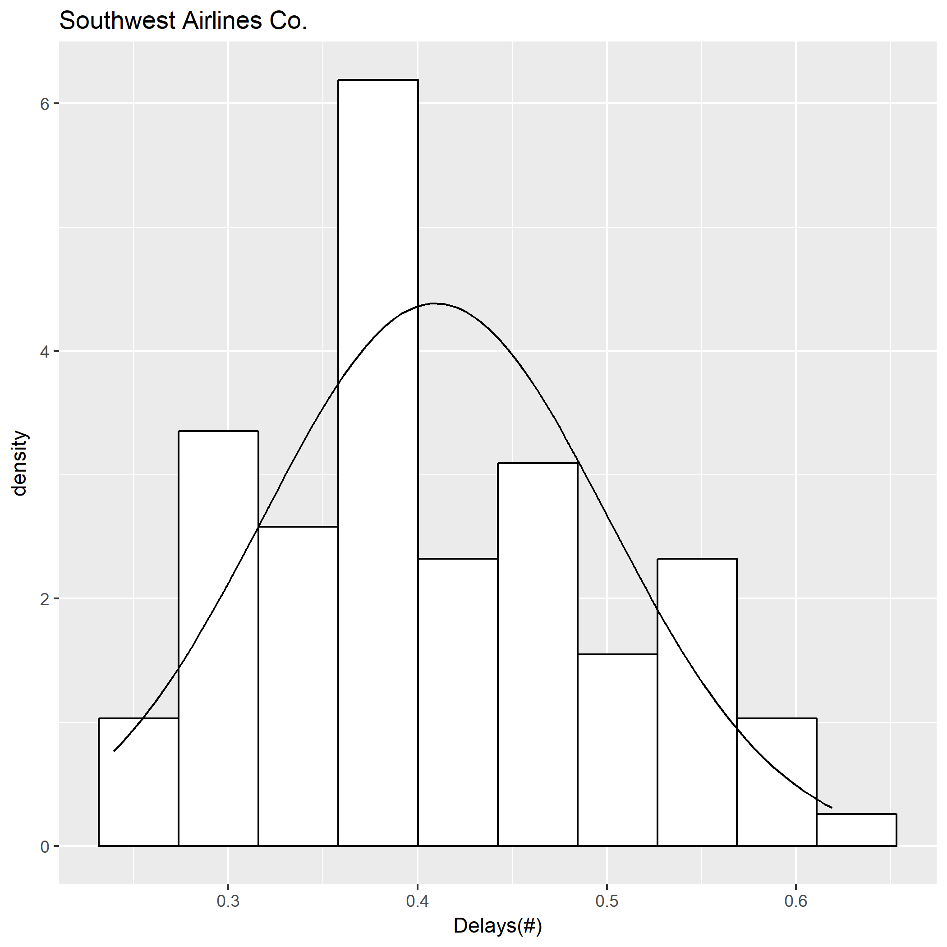
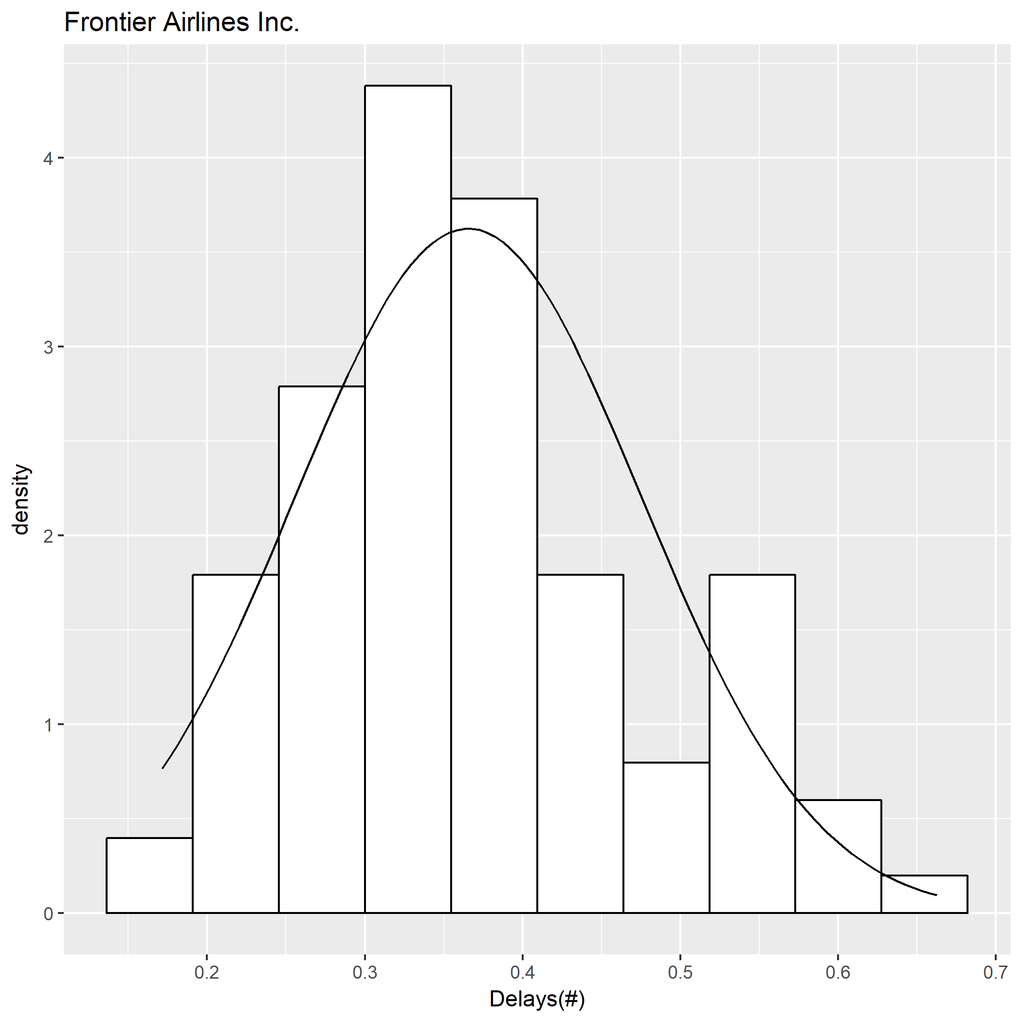
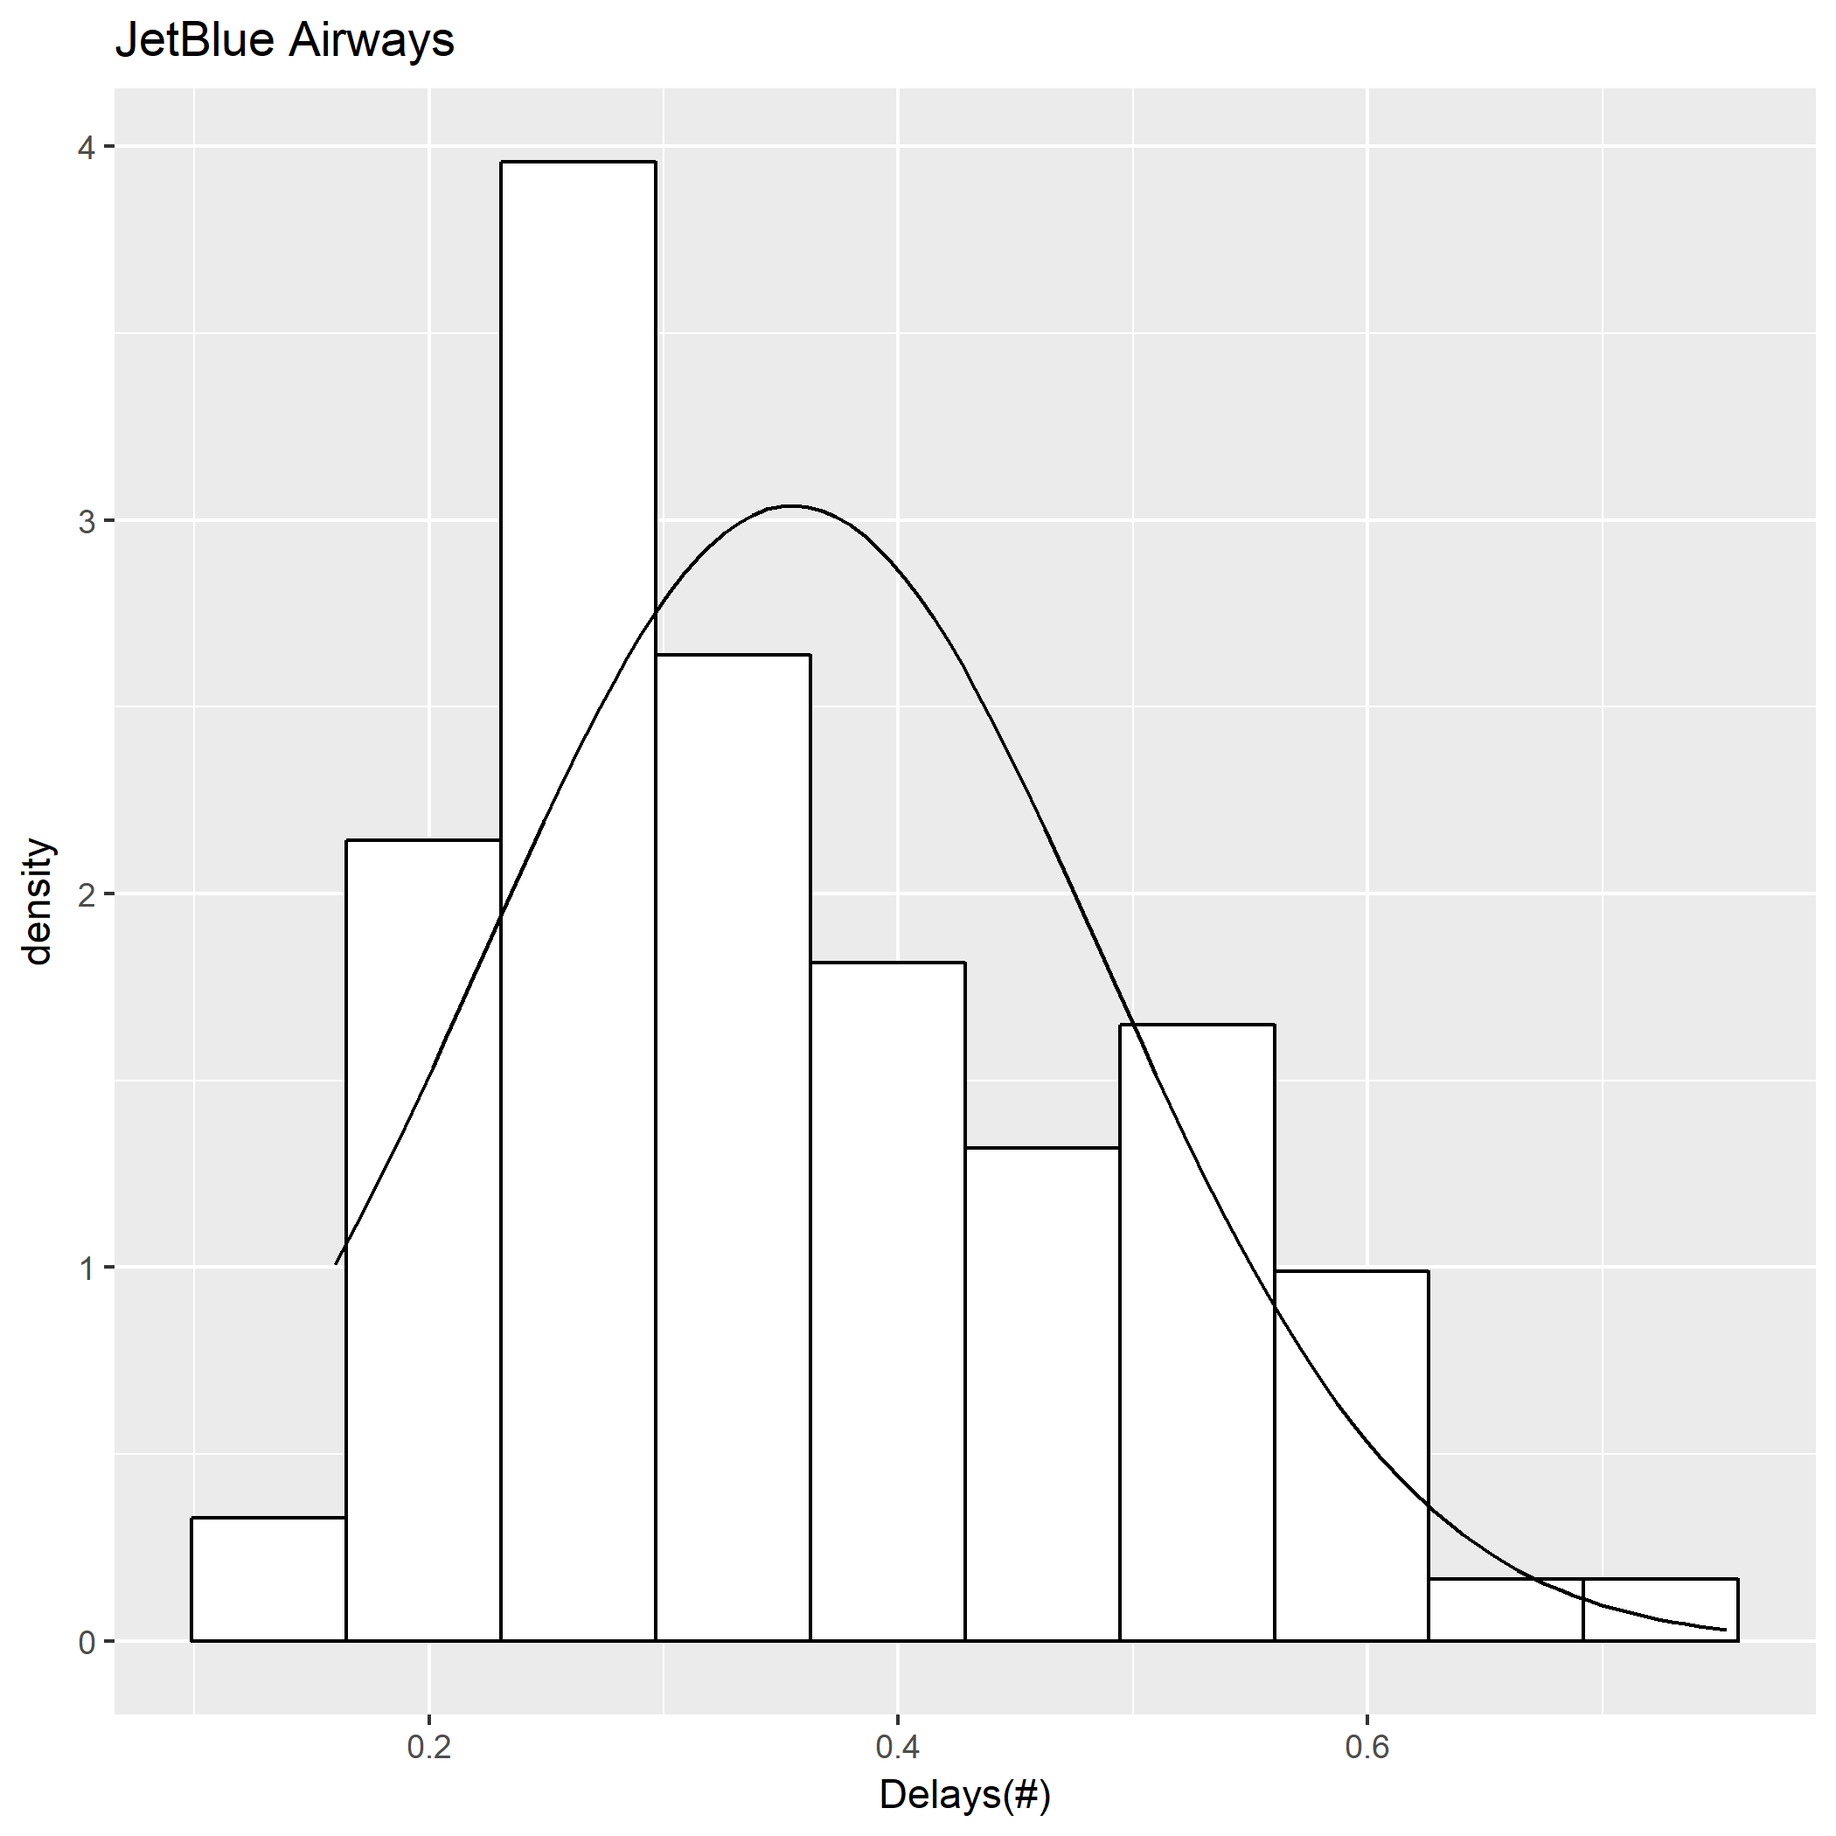
 |  |  |  |  | American Airlines Inc. | Allegiant Air | 0.99999999981 | No | 0
 |  |  |  |  | American Airlines Inc. | Hawaiian Airlines Inc. | 0.99999988286 | No | 0
 |  |  |  |  | American Airlines Inc. | Envoy Air | 0.99999996712 | No | 0
 |  |  |  |  | American Airlines Inc. | Spirit Air Lines | 0.99942580555 | No | 0
 |  |  |  |  | American Airlines Inc. | PSA Airlines Inc. | 0.99989787872 | No | 0
 |  |  |  |  | American Airlines Inc. | SkyWest Airlines Inc. | 1 | No | 0
 |  |  |  |  | American Airlines Inc. | United Air Lines Inc. | 0.99790724548 | No | 0
 |  |  |  |  | American Airlines Inc. | Southwest Airlines Co. | 2.87E-06 | Yes | 1
 |  |  |  |  | American Airlines Inc. | Mesa Airlines Inc. | 0.99999817187 | No | 0
 |  |  |  |  | American Airlines Inc. | Republic Airline | 1 | No | 0
 |  |  |  |  | Alaska Airlines Inc. | Endeavor Air Inc. | 1 | No | 0
 |  |  |  |  | Alaska Airlines Inc. | American Airlines Inc. | 0.030934417134 | No | 0
 |  |  |  |  | Alaska Airlines Inc. | JetBlue Airways | 0.19885352863 | No | 0
 |  |  |  |  | Alaska Airlines Inc. | Delta Air Lines Inc. | 0.99996546486 | No | 0
 |  |  |  |  | Alaska Airlines Inc. | ExpressJet Airlines Inc. | 0.98993746926 | No | 0
 |  |  |  |  | Alaska Airlines Inc. | Frontier Airlines Inc. | 0.0064853408117 | Yes | 1
 |  |  |  |  | Alaska Airlines Inc. | Allegiant Air | 0.99999985807 | No | 0
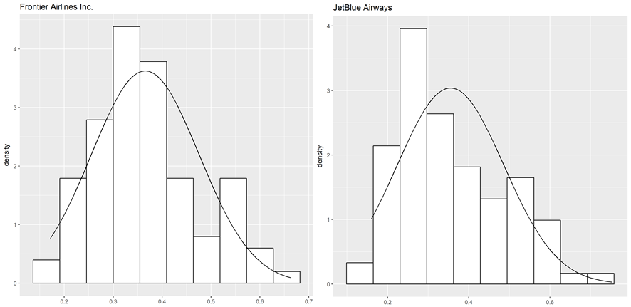
 |  |  |  |  | Alaska Airlines Inc. | Hawaiian Airlines Inc. | 0.99997819132 | No | 0
 |  |  |  |  | Alaska Airlines Inc. | Envoy Air | 0.99999179652 | No | 0
 |  |  |  |  | Alaska Airlines Inc. | Spirit Air Lines | 0.97885051548 | No | 0
 |  |  |  |  | Alaska Airlines Inc. | PSA Airlines Inc. | 0.99553450602 | No | 0
 |  |  |  |  | Alaska Airlines Inc. | SkyWest Airlines Inc. | 1 | No | 0
 |  |  |  |  | Alaska Airlines Inc. | United Air Lines Inc. | 0.9131848807 | No | 0
 |  |  |  |  | Alaska Airlines Inc. | Southwest Airlines Co. | 1.14E-10 | Yes | 1
 |  |  |  |  | Alaska Airlines Inc. | Mesa Airlines Inc. | 0.99952809667 | No | 0
 |  |  |  |  | Alaska Airlines Inc. | Republic Airline | 0.99999999979 | No | 0
 |  |  |  |  | JetBlue Airways | Endeavor Air Inc. | 1 | No | 0
 |  |  |  |  | JetBlue Airways | American Airlines Inc. | 0.34050095235 | No | 0
 |  |  |  |  | JetBlue Airways | Alaska Airlines Inc. | 0.80191791502 | No | 0
 |  |  |  |  | JetBlue Airways | Delta Air Lines Inc. | 0.99994713246 | No | 0
 |  |  |  |  | JetBlue Airways | ExpressJet Airlines Inc. | 0.99686884923 | No | 0
 |  |  |  |  | JetBlue Airways | Frontier Airlines Inc. | 0.14545734458 | No | 0
 |  |  |  |  | JetBlue Airways | Allegiant Air | 0.99999961779 | No | 0
 |  |  |  |  | JetBlue Airways | Hawaiian Airlines Inc. | 0.99992378378 | No | 0
 |  |  |  |  | JetBlue Airways | Envoy Air | 0.99999345904 | No | 0
 |  |  |  |  | JetBlue Airways | Spirit Air Lines | 0.99065591856 | No | 0
 |  |  |  |  | JetBlue Airways | PSA Airlines Inc. | 0.99676197526 | No | 0
 |  |  |  |  | JetBlue Airways | SkyWest Airlines Inc. | 0.99999999834 | No | 0
 |  |  |  |  | JetBlue Airways | United Air Lines Inc. | 0.97828201838 | No | 0
 |  |  |  |  | JetBlue Airways | Southwest Airlines Co. | 9.05E-05 | Yes | 1
 |  |  |  |  | JetBlue Airways | Mesa Airlines Inc. | 0.99955971629 | No | 0
 |  |  |  |  | JetBlue Airways | Republic Airline | 0.99999999992 | No | 0
 |  |  |  |  | Delta Air Lines Inc. | Endeavor Air Inc. | 0.99999910921 | No | 0
 |  |  |  |  | Delta Air Lines Inc. | American Airlines Inc. | 4.14E-08 | Yes | 1
 |  |  |  |  | Delta Air Lines Inc. | Alaska Airlines Inc. | 3.49E-05 | Yes | 1
 |  |  |  |  | Delta Air Lines Inc. | JetBlue Airways | 5.35E-05 | Yes | 1
 |  |  |  |  | Delta Air Lines Inc. | ExpressJet Airlines Inc. | 0.20825149866 | No | 0
 |  |  |  |  | Delta Air Lines Inc. | Frontier Airlines Inc. | 2.34E-08 | Yes | 1
 |  |  |  |  | Delta Air Lines Inc. | Allegiant Air | 0.94318657128 | No | 0
 |  |  |  |  | Delta Air Lines Inc. | Hawaiian Airlines Inc. | 0.57303000229 | No | 0
 |  |  |  |  | Delta Air Lines Inc. | Envoy Air | 0.81327151971 | No | 0
 |  |  |  |  | Delta Air Lines Inc. | Spirit Air Lines | 0.074025508737 | No | 0
 |  |  |  |  | Delta Air Lines Inc. | PSA Airlines Inc. | 0.15057508424 | No | 0
 |  |  |  |  | Delta Air Lines Inc. | SkyWest Airlines Inc. | 0.99376245301 | No | 0
 |  |  |  |  | Delta Air Lines Inc. | United Air Lines Inc. | 0.012514386567 | No | 0
 |  |  |  |  | Delta Air Lines Inc. | Southwest Airlines Co. | 4.61E-18 | Yes | 1
 |  |  |  |  | Delta Air Lines Inc. | Mesa Airlines Inc. | 0.33948668984 | No | 0
 |  |  |  |  | Delta Air Lines Inc. | Republic Airline | 0.99992075602 | No | 0
 |  |  |  |  | ExpressJet Airlines Inc. | Endeavor Air Inc. | 0.99999913937 | No | 0
 |  |  |  |  | ExpressJet Airlines Inc. | American Airlines Inc. | 0.00017677972698 | Yes | 1
 |  |  |  |  | ExpressJet Airlines Inc. | Alaska Airlines Inc. | 0.01013695406 | No | 0
 |  |  |  |  | ExpressJet Airlines Inc. | JetBlue Airways | 0.0031575735952 | Yes | 1
 |  |  |  |  | ExpressJet Airlines Inc. | Delta Air Lines Inc. | 0.79254152455 | No | 0
 |  |  |  |  | ExpressJet Airlines Inc. | Frontier Airlines Inc. | 3.77E-05 | Yes | 1
 |  |  |  |  | ExpressJet Airlines Inc. | Allegiant Air | 0.98612575737 | No | 0
 |  |  |  |  | ExpressJet Airlines Inc. | Hawaiian Airlines Inc. | 0.78695304713 | No | 0
 |  |  |  |  | ExpressJet Airlines Inc. | Envoy Air | 0.92201648933 | No | 0
 |  |  |  |  | ExpressJet Airlines Inc. | Spirit Air Lines | 0.30089457915 | No | 0
 |  |  |  |  | ExpressJet Airlines Inc. | PSA Airlines Inc. | 0.40752214151 | No | 0
 |  |  |  |  | ExpressJet Airlines Inc. | SkyWest Airlines Inc. | 0.99777561256 | No | 0
 |  |  |  |  | ExpressJet Airlines Inc. | United Air Lines Inc. | 0.13437506058 | No | 0
 |  |  |  |  | ExpressJet Airlines Inc. | Southwest Airlines Co. | 1.93E-11 | Yes | 1
 |  |  |  |  | ExpressJet Airlines Inc. | Mesa Airlines Inc. | 0.65338893663 | No | 0
 |  |  |  |  | ExpressJet Airlines Inc. | Republic Airline | 0.99996665148 | No | 0
 |  |  |  |  | Frontier Airlines Inc. | Endeavor Air Inc. | 1 | No | 0
 |  |  |  |  | Frontier Airlines Inc. | American Airlines Inc. | 0.81327163478 | No | 0
 |  |  |  |  | Frontier Airlines Inc. | Alaska Airlines Inc. | 0.99356491214 | No | 0
 |  |  |  |  | Frontier Airlines Inc. | JetBlue Airways | 0.8551740341 | No | 0
 |  |  |  |  | Frontier Airlines Inc. | Delta Air Lines Inc. | 0.99999997699 | No | 0
 |  |  |  |  | Frontier Airlines Inc. | ExpressJet Airlines Inc. | 0.9999627563 | No | 0
 |  |  |  |  | Frontier Airlines Inc. | Allegiant Air | 0.9999999999 | No | 0
 |  |  |  |  | Frontier Airlines Inc. | Hawaiian Airlines Inc. | 0.99999993057 | No | 0
 |  |  |  |  | Frontier Airlines Inc. | Envoy Air | 0.9999999923 | No | 0
 |  |  |  |  | Frontier Airlines Inc. | Spirit Air Lines | 0.99983931915 | No | 0
 |  |  |  |  | Frontier Airlines Inc. | PSA Airlines Inc. | 0.99998030008 | No | 0
 |  |  |  |  | Frontier Airlines Inc. | SkyWest Airlines Inc. | 1 | No | 0
 |  |  |  |  | Frontier Airlines Inc. | United Air Lines Inc. | 0.99960149036 | No | 0
 |  |  |  |  | Frontier Airlines Inc. | Southwest Airlines Co. | 0.00073783045384 | Yes | 1
 |  |  |  |  | Frontier Airlines Inc. | Mesa Airlines Inc. | 0.99999917994 | No | 0
 |  |  |  |  | Frontier Airlines Inc. | Republic Airline | 1 | No | 0
 |  |  |  |  | Allegiant Air | Endeavor Air Inc. | 0.99845852701 | No | 0
 |  |  |  |  | Allegiant Air | American Airlines Inc. | 1.88E-10 | Yes | 1
 |  |  |  |  | Allegiant Air | Alaska Airlines Inc. | 1.44E-07 | Yes | 1
 |  |  |  |  | Allegiant Air | JetBlue Airways | 3.88E-07 | Yes | 1
 |  |  |  |  | Allegiant Air | Delta Air Lines Inc. | 0.057130057577 | No | 0
 |  |  |  |  | Allegiant Air | ExpressJet Airlines Inc. | 0.013972569289 | No | 0
 |  |  |  |  | Allegiant Air | Frontier Airlines Inc. | 9.89E-11 | Yes | 1
 |  |  |  |  | Allegiant Air | Hawaiian Airlines Inc. | 0.073252070769 | No | 0
 |  |  |  |  | Allegiant Air | Envoy Air | 0.23668776872 | No | 0
 |  |  |  |  | Allegiant Air | Spirit Air Lines | 0.0027462347227 | Yes | 1
 |  |  |  |  | Allegiant Air | PSA Airlines Inc. | 0.006663703793 | Yes | 1
 |  |  |  |  | Allegiant Air | SkyWest Airlines Inc. | 0.74278046813 | No | 0
 |  |  |  |  | Allegiant Air | United Air Lines Inc. | 0.00021583103477 | Yes | 1
 |  |  |  |  | Allegiant Air | Southwest Airlines Co. | 2.04E-19 | Yes | 1
 |  |  |  |  | Allegiant Air | Mesa Airlines Inc. | 0.023810022045 | No | 0
 |  |  |  |  | Allegiant Air | Republic Airline | 0.98021702211 | No | 0
 |  |  |  |  | Hawaiian Airlines Inc. | Endeavor Air Inc. | 0.99999887565 | No | 0
 |  |  |  |  | Hawaiian Airlines Inc. | American Airlines Inc. | 1.19E-07 | Yes | 1
 |  |  |  |  | Hawaiian Airlines Inc. | Alaska Airlines Inc. | 2.21E-05 | Yes | 1
 |  |  |  |  | Hawaiian Airlines Inc. | JetBlue Airways | 7.71E-05 | Yes | 1
 |  |  |  |  | Hawaiian Airlines Inc. | Delta Air Lines Inc. | 0.42805611843 | No | 0
 |  |  |  |  | Hawaiian Airlines Inc. | ExpressJet Airlines Inc. | 0.21385243147 | No | 0
 |  |  |  |  | Hawaiian Airlines Inc. | Frontier Airlines Inc. | 7.05E-08 | Yes | 1
 |  |  |  |  | Hawaiian Airlines Inc. | Allegiant Air | 0.92713203313 | No | 0
 |  |  |  |  | Hawaiian Airlines Inc. | Envoy Air | 0.80688833913 | No | 0
 |  |  |  |  | Hawaiian Airlines Inc. | Spirit Air Lines | 0.056184405043 | No | 0
 |  |  |  |  | Hawaiian Airlines Inc. | PSA Airlines Inc. | 0.12559295874 | No | 0
 |  |  |  |  | Hawaiian Airlines Inc. | SkyWest Airlines Inc. | 0.98572868527 | No | 0
 |  |  |  |  | Hawaiian Airlines Inc. | United Air Lines Inc. | 0.012336125227 | No | 0
 |  |  |  |  | Hawaiian Airlines Inc. | Southwest Airlines Co. | 1.03E-15 | Yes | 1
 |  |  |  |  | Hawaiian Airlines Inc. | Mesa Airlines Inc. | 0.28471491361 | No | 0
 |  |  |  |  | Hawaiian Airlines Inc. | Republic Airline | 0.99989447279 | No | 0
 |  |  |  |  | Envoy Air | Endeavor Air Inc. | 0.99994713246 | No | 0
 |  |  |  |  | Envoy Air | American Airlines Inc. | 3.34E-08 | Yes | 1
 |  |  |  |  | Envoy Air | Alaska Airlines Inc. | 8.31E-06 | Yes | 1
 |  |  |  |  | Envoy Air | JetBlue Airways | 6.62E-06 | Yes | 1
 |  |  |  |  | Envoy Air | Delta Air Lines Inc. | 0.18747261751 | No | 0
 |  |  |  |  | Envoy Air | ExpressJet Airlines Inc. | 0.078387978797 | No | 0
 |  |  |  |  | Envoy Air | Frontier Airlines Inc. | 7.82E-09 | Yes | 1
 |  |  |  |  | Envoy Air | Allegiant Air | 0.76416545765 | No | 0
 |  |  |  |  | Envoy Air | Hawaiian Airlines Inc. | 0.1938713118 | No | 0
 |  |  |  |  | Envoy Air | Spirit Air Lines | 0.013202626835 | No | 0
 |  |  |  |  | Envoy Air | PSA Airlines Inc. | 0.023044332266 | No | 0
 |  |  |  |  | Envoy Air | SkyWest Airlines Inc. | 0.8671172988 | No | 0
 |  |  |  |  | Envoy Air | United Air Lines Inc. | 0.0023431287814 | Yes | 1
 |  |  |  |  | Envoy Air | Southwest Airlines Co. | 9.90E-17 | Yes | 1
 |  |  |  |  | Envoy Air | Mesa Airlines Inc. | 0.11186318183 | No | 0
 |  |  |  |  | Envoy Air | Republic Airline | 0.99902047784 | No | 0
 |  |  |  |  | Spirit Air Lines | Endeavor Air Inc. | 0.99999998972 | No | 0
 |  |  |  |  | Spirit Air Lines | American Airlines Inc. | 0.00057981127884 | Yes | 1
 |  |  |  |  | Spirit Air Lines | Alaska Airlines Inc. | 0.02129041539 | No | 0
 |  |  |  |  | Spirit Air Lines | JetBlue Airways | 0.0094138430642 | Yes | 1
 |  |  |  |  | Spirit Air Lines | Delta Air Lines Inc. | 0.92636169374 | No | 0
 |  |  |  |  | Spirit Air Lines | ExpressJet Airlines Inc. | 0.70006854558 | No | 0
 |  |  |  |  | Spirit Air Lines | Frontier Airlines Inc. | 0.0001623989955 | Yes | 1
 |  |  |  |  | Spirit Air Lines | Allegiant Air | 0.99727706324 | No | 0
 |  |  |  |  | Spirit Air Lines | Hawaiian Airlines Inc. | 0.94412808379 | No | 0
 |  |  |  |  | Spirit Air Lines | Envoy Air | 0.98689100266 | No | 0
 |  |  |  |  | Spirit Air Lines | PSA Airlines Inc. | 0.67658064121 | No | 0
 |  |  |  |  | Spirit Air Lines | SkyWest Airlines Inc. | 0.99984270243 | No | 0
 |  |  |  |  | Spirit Air Lines | United Air Lines Inc. | 0.29993145442 | No | 0
 |  |  |  |  | Spirit Air Lines | Southwest Airlines Co. | 7.27E-11 | Yes | 1
 |  |  |  |  | Spirit Air Lines | Mesa Airlines Inc. | 0.81915860039 | No | 0
 |  |  |  |  | Spirit Air Lines | Republic Airline | 0.99999882875 | No | 0
 |  |  |  |  | PSA Airlines Inc. | Endeavor Air Inc. | 0.99999998292 | No | 0
 |  |  |  |  | PSA Airlines Inc. | American Airlines Inc. | 0.00010324470255 | Yes | 1
 |  |  |  |  | PSA Airlines Inc. | Alaska Airlines Inc. | 0.0045018148286 | Yes | 1
 |  |  |  |  | PSA Airlines Inc. | JetBlue Airways | 0.003265257393 | Yes | 1
 |  |  |  |  | PSA Airlines Inc. | Delta Air Lines Inc. | 0.85007109743 | No | 0
 |  |  |  |  | PSA Airlines Inc. | ExpressJet Airlines Inc. | 0.59355210486 | No | 0
 |  |  |  |  | PSA Airlines Inc. | Frontier Airlines Inc. | 1.99E-05 | Yes | 1
 |  |  |  |  | PSA Airlines Inc. | Allegiant Air | 0.99338777034 | No | 0
 |  |  |  |  | PSA Airlines Inc. | Hawaiian Airlines Inc. | 0.87497789025 | No | 0
 |  |  |  |  | PSA Airlines Inc. | Envoy Air | 0.97710634256 | No | 0
 |  |  |  |  | PSA Airlines Inc. | Spirit Air Lines | 0.32441435482 | No | 0
 |  |  |  |  | PSA Airlines Inc. | SkyWest Airlines Inc. | 0.99952810204 | No | 0
 |  |  |  |  | PSA Airlines Inc. | United Air Lines Inc. | 0.17722161323 | No | 0
 |  |  |  |  | PSA Airlines Inc. | Southwest Airlines Co. | 7.80E-12 | Yes | 1
 |  |  |  |  | PSA Airlines Inc. | Mesa Airlines Inc. | 0.71622393261 | No | 0
 |  |  |  |  | PSA Airlines Inc. | Republic Airline | 0.9999972789 | No | 0
 |  |  |  |  | SkyWest Airlines Inc. | Endeavor Air Inc. | 0.99943688551 | No | 0
 |  |  |  |  | SkyWest Airlines Inc. | American Airlines Inc. | 1.83E-15 | Yes | 1
 |  |  |  |  | SkyWest Airlines Inc. | Alaska Airlines Inc. | 2.65E-12 | Yes | 1
 |  |  |  |  | SkyWest Airlines Inc. | JetBlue Airways | 1.69E-09 | Yes | 1
 |  |  |  |  | SkyWest Airlines Inc. | Delta Air Lines Inc. | 0.0062864327054 | Yes | 1
 |  |  |  |  | SkyWest Airlines Inc. | ExpressJet Airlines Inc. | 0.0022437926349 | Yes | 1
 |  |  |  |  | SkyWest Airlines Inc. | Frontier Airlines Inc. | 1.61E-14 | Yes | 1
 |  |  |  |  | SkyWest Airlines Inc. | Allegiant Air | 0.25811330131 | No | 0
 |  |  |  |  | SkyWest Airlines Inc. | Hawaiian Airlines Inc. | 0.014372060104 | No | 0
 |  |  |  |  | SkyWest Airlines Inc. | Envoy Air | 0.13347817801 | No | 0
 |  |  |  |  | SkyWest Airlines Inc. | Spirit Air Lines | 0.00015898184601 | Yes | 1
 |  |  |  |  | SkyWest Airlines Inc. | PSA Airlines Inc. | 0.00047658259518 | Yes | 1
 |  |  |  |  | SkyWest Airlines Inc. | United Air Lines Inc. | 1.71E-06 | Yes | 1
 |  |  |  |  | SkyWest Airlines Inc. | Southwest Airlines Co. | 7.68E-25 | Yes | 1
 |  |  |  |  | SkyWest Airlines Inc. | Mesa Airlines Inc. | 0.0018180180195 | Yes | 1
 |  |  |  |  | SkyWest Airlines Inc. | Republic Airline | 0.9852704158 | No | 0
 |  |  |  |  | United Air Lines Inc. | Endeavor Air Inc. | 0.99999999959 | No | 0
 |  |  |  |  | United Air Lines Inc. | American Airlines Inc. | 0.0021111160773 | Yes | 1
 |  |  |  |  | United Air Lines Inc. | Alaska Airlines Inc. | 0.087253585515 | No | 0
 |  |  |  |  | United Air Lines Inc. | JetBlue Airways | 0.021862106174 | No | 0
 |  |  |  |  | United Air Lines Inc. | Delta Air Lines Inc. | 0.98757500355 | No | 0
 |  |  |  |  | United Air Lines Inc. | ExpressJet Airlines Inc. | 0.86622316593 | No | 0
 |  |  |  |  | United Air Lines Inc. | Frontier Airlines Inc. | 0.00040251496585 | Yes | 1
 |  |  |  |  | United Air Lines Inc. | Allegiant Air | 0.99978641068 | No | 0
 |  |  |  |  | United Air Lines Inc. | Hawaiian Airlines Inc. | 0.98775216045 | No | 0
 |  |  |  |  | United Air Lines Inc. | Envoy Air | 0.99767705328 | No | 0
 |  |  |  |  | United Air Lines Inc. | Spirit Air Lines | 0.70103027262 | No | 0
 |  |  |  |  | United Air Lines Inc. | PSA Airlines Inc. | 0.82349679227 | No | 0
 |  |  |  |  | United Air Lines Inc. | SkyWest Airlines Inc. | 0.99999831301 | No | 0
 |  |  |  |  | United Air Lines Inc. | Southwest Airlines Co. | 3.37E-11 | Yes | 1
 |  |  |  |  | United Air Lines Inc. | Mesa Airlines Inc. | 0.95832641349 | No | 0
 |  |  |  |  | United Air Lines Inc. | Republic Airline | 0.99999990051 | No | 0
 |  |  |  |  | Southwest Airlines Co. | Endeavor Air Inc. | 1 | No | 0
 |  |  |  |  | Southwest Airlines Co. | American Airlines Inc. | 0.99999716946 | No | 0
 |  |  |  |  | Southwest Airlines Co. | Alaska Airlines Inc. | 0.99999999989 | No | 0
 |  |  |  |  | Southwest Airlines Co. | JetBlue Airways | 0.99991049344 | No | 0
 |  |  |  |  | Southwest Airlines Co. | Delta Air Lines Inc. | 1 | No | 0
 |  |  |  |  | Southwest Airlines Co. | ExpressJet Airlines Inc. | 0.99999999998 | No | 0
 |  |  |  |  | Southwest Airlines Co. | Frontier Airlines Inc. | 0.99926918617 | No | 0
 |  |  |  |  | Southwest Airlines Co. | Allegiant Air | 1 | No | 0
 |  |  |  |  | Southwest Airlines Co. | Hawaiian Airlines Inc. | 1 | No | 0
 |  |  |  |  | Southwest Airlines Co. | Envoy Air | 1 | No | 0
 |  |  |  |  | Southwest Airlines Co. | Spirit Air Lines | 0.99999999993 | No | 0
 |  |  |  |  | Southwest Airlines Co. | PSA Airlines Inc. | 0.99999999999 | No | 0
 |  |  |  |  | Southwest Airlines Co. | SkyWest Airlines Inc. | 1 | No | 0
 |  |  |  |  | Southwest Airlines Co. | United Air Lines Inc. | 0.99999999997 | No | 0
 |  |  |  |  | Southwest Airlines Co. | Mesa Airlines Inc. | 1 | No | 0
 |  |  |  |  | Southwest Airlines Co. | Republic Airline | 1 | No | 0
 |  |  |  |  | Mesa Airlines Inc. | Endeavor Air Inc. | 0.99999905886 | No | 0
 |  |  |  |  | Mesa Airlines Inc. | American Airlines Inc. | 1.85E-06 | Yes | 1
 |  |  |  |  | Mesa Airlines Inc. | Alaska Airlines Inc. | 0.00047658800517 | Yes | 1
 |  |  |  |  | Mesa Airlines Inc. | JetBlue Airways | 0.00044467688559 | Yes | 1
 |  |  |  |  | Mesa Airlines Inc. | Delta Air Lines Inc. | 0.66152648379 | No | 0
 |  |  |  |  | Mesa Airlines Inc. | ExpressJet Airlines Inc. | 0.34763334672 | No | 0
 |  |  |  |  | Mesa Airlines Inc. | Frontier Airlines Inc. | 8.31E-07 | Yes | 1
 |  |  |  |  | Mesa Airlines Inc. | Allegiant Air | 0.97634485764 | No | 0
 |  |  |  |  | Mesa Airlines Inc. | Hawaiian Airlines Inc. | 0.71622374606 | No | 0
 |  |  |  |  | Mesa Airlines Inc. | Envoy Air | 0.88866277574 | No | 0
 |  |  |  |  | Mesa Airlines Inc. | Spirit Air Lines | 0.18157085633 | No | 0
 |  |  |  |  | Mesa Airlines Inc. | PSA Airlines Inc. | 0.28471472766 | No | 0
 |  |  |  |  | Mesa Airlines Inc. | SkyWest Airlines Inc. | 0.99819801165 | No | 0
 |  |  |  |  | Mesa Airlines Inc. | United Air Lines Inc. | 0.041920801674 | No | 0
 |  |  |  |  | Mesa Airlines Inc. | Southwest Airlines Co. | 6.10E-15 | Yes | 1
 |  |  |  |  | Mesa Airlines Inc. | Republic Airline | 0.99993734877 | No | 0
 |  |  |  |  | Republic Airline | Endeavor Air Inc. | 0.73649016322 | No | 0
 |  |  |  |  | Republic Airline | American Airlines Inc. | 3.57E-13 | Yes | 1
 |  |  |  |  | Republic Airline | Alaska Airlines Inc. | 2.13E-10 | Yes | 1
 |  |  |  |  | Republic Airline | JetBlue Airways | 8.11E-11 | Yes | 1
 |  |  |  |  | Republic Airline | Delta Air Lines Inc. | 8.01E-05 | Yes | 1
 |  |  |  |  | Republic Airline | ExpressJet Airlines Inc. | 3.37E-05 | Yes | 1
 |  |  |  |  | Republic Airline | Frontier Airlines Inc. | 1.07E-13 | Yes | 1
 |  |  |  |  | Republic Airline | Allegiant Air | 0.01991615885 | No | 0
 |  |  |  |  | Republic Airline | Hawaiian Airlines Inc. | 0.00010668577249 | Yes | 1
 |  |  |  |  | Republic Airline | Envoy Air | 0.00098870730717 | Yes | 1
 |  |  |  |  | Republic Airline | Spirit Air Lines | 1.19E-06 | Yes | 1
 |  |  |  |  | Republic Airline | PSA Airlines Inc. | 2.76E-06 | Yes | 1
 |  |  |  |  | Republic Airline | SkyWest Airlines Inc. | 0.014833106158 | No | 0
 |  |  |  |  | Republic Airline | United Air Lines Inc. | 1.01E-07 | Yes | 1
 |  |  |  |  | Republic Airline | Southwest Airlines Co. | 4.05E-21 | Yes | 1
 |  |  |  |  | Republic Airline | Mesa Airlines Inc. | 6.34E-05 | Yes | 1

